AA Bde
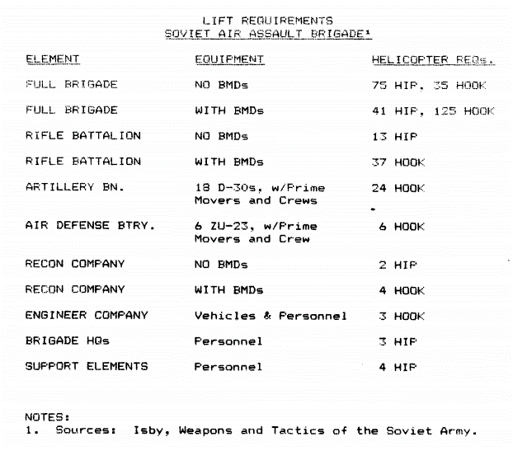
Air Assault Brigade | TOTAL | Air Assault Bde
PERSONNEL | 2,600 | 2,600
D-30 | 18 | 18
BM-14 | 6 | 6
2B11 | 24 | 24
SA-7 | 45 | 45
ZU-23 | 6 | 6
BRDM-2 AT-5 | 9 | 9
BMD-2 | 64 | 64
SPG-9 | 36 | 36
ASU-85 | 6 | 6
RPG-16D | 150 | 150
AGS-17 | 24 | 24
AT-4 | 14 | 14
BRDM-2 AT-5 | 4 | 4
RPKS-74 | 111 | 111
RPK-74 | 790 | 790

Needs 41 Hip, 125 Hook helis to lift with BMDs
Needs 75 Hip, 35 Hook helis to lift wihout BMDS

